Sheet1
Description |  | Mechanical Actuating Catheter | Step-Motor | Linear Actuators | Attachment to Existing Catheter
Sketch |  | 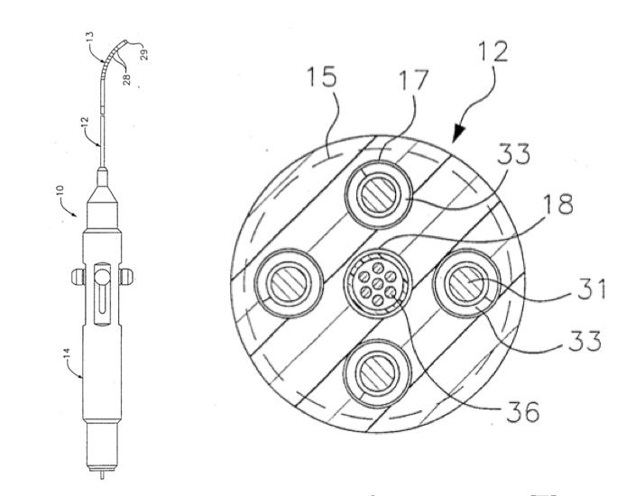 | 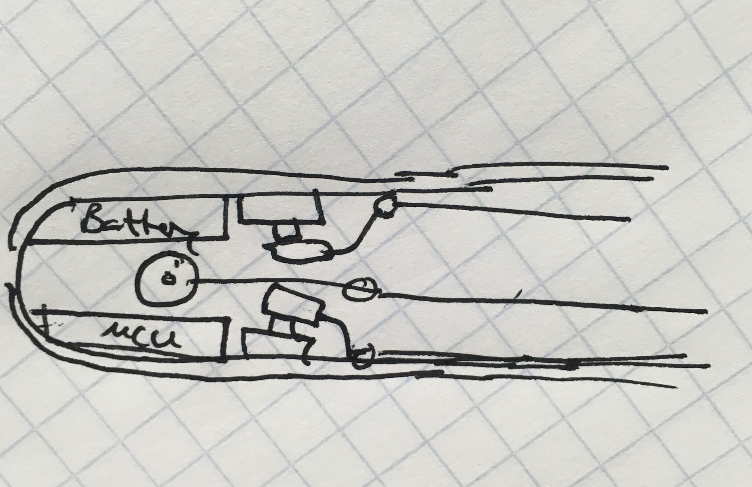 | 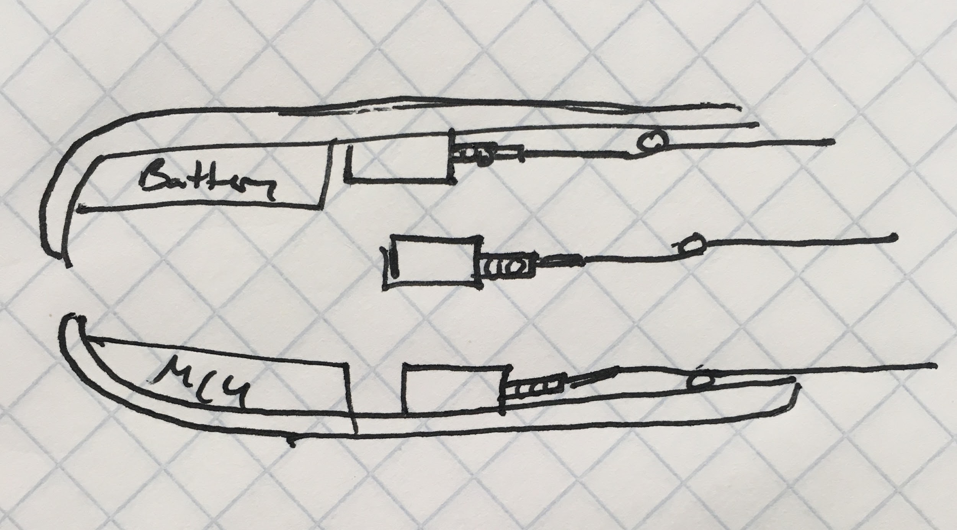 | 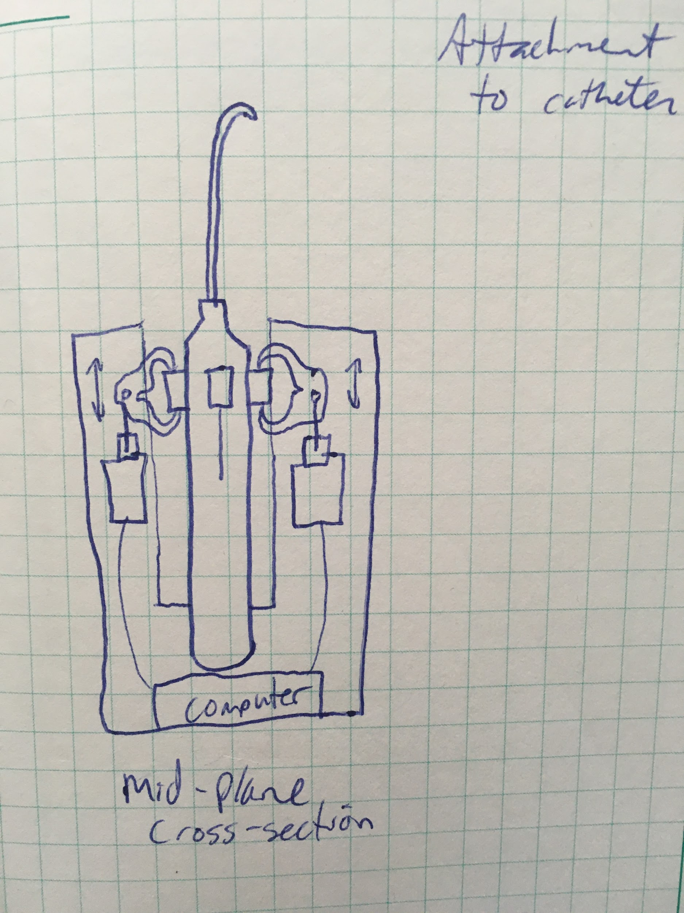
Criteria | Weight | Datum | Design 1 | Design 2 | Design 3
Size | 2 | 0 | 0 | -1 | -1
Cost | 1 | 0 | -1 | -1 | -1
Accuracy | 3 | 0 | 1 | 1 | 0
Ease of use | 3 | 0 | 1 | 1 | 1
Manufacturability | 2 | 0 | -1 | -1 | -1
Speed | 1 | 0 | 1 | 1 | 1
Ease of sterilization | 2 | 0 | -1 | -1 | -1

+ |  | 0 | 3 | 3 | 2
0 |  | 7 | 1 | 0 | 1
- |  | 0 | 3 | 4 | 4
Net Score |  | 0 | 2 | 0 | -3

